Beltrame
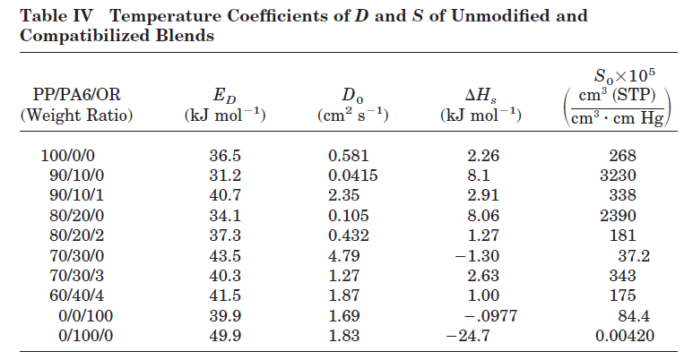

0.00268 | 2260
0.00093859103053 | 2775.7

25 | 298 | 9.34E-04 | 0.00268 | 0.00093859103053
40 | 313 | 1.09E-03 | 0.0027997543 | 0.0009903612913
50 | 323 | 9.70E-04 | 0.002876054 | 0.001023611921
65 | 338 | 1.08E-03 | 0.0029855008 | 0.0010716591813
80 | 353 | 1.05E-03 | 0.0030892912 | 0.0011175964412
95 | 368 | 1.12E-03 | 0.0031877965 | 0.0011615216971
110 | 383 | 1.07E-03 | 0.0032813653 | 0.001203533643
120 | 393 | 1.46E-03 | 0.0033411636 | 0.0012305268665

 | 0.0004036209644 | -6.9760341197
 | 0.00038427810668 | -6.8215775827
 | 0.00037238095167 | -6.9382144865
 | 0.00035585516979 | -6.8307942378
 | 0.0003407338453 | -6.8589651148
 | 0.00032684523747 | -6.7944265937
 | 0.00031404451016 | -6.8400966305
 | 0.0003060535557 | -6.5293188433

 | 1.1203307109 | -6.9711307109
 |  | 0.00093859103053

Garcia
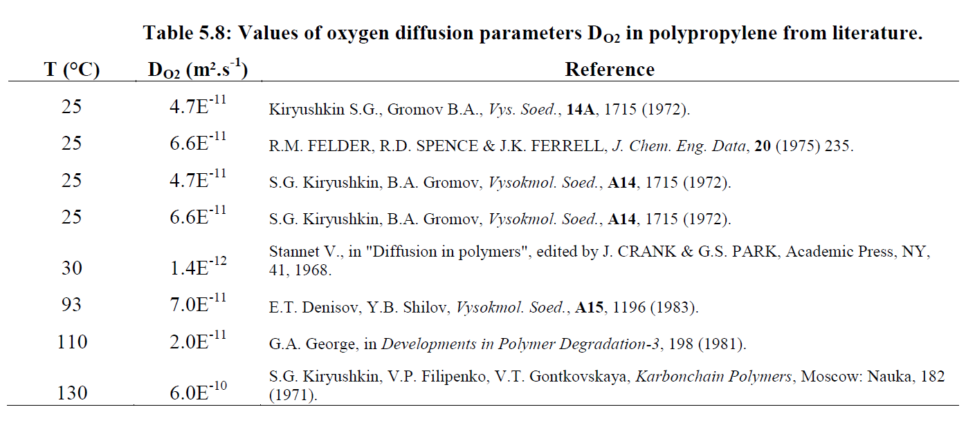
T | DO2 (cm2/s) | predicho Beltrame | Predicho Heude | Predicho Halim 1 | Predicho Halim 2 | Predicho Celina
298 | 4.7e-07 | 2.3231544256E-07 | 3.6220149232E-08 | 6.2448533159E-07 | 3.3483802256E-07 | 2.4317231528E-07
298 | 6.6e-07 | 2.3231544256E-07 | 3.6220149232E-08 | 6.2448533159E-07 | 3.3483802256E-07 | 2.4317231528E-07
303 | 1.4e-08 | 2.96249247E-07 | 4.6157274126E-08 | 7.9581507114E-07 | 4.5548278958E-07 | 3.2185047242E-07
363 | 7e-07 | 3.2489499416E-06 | 5.0289390019E-07 | 8.670584486E-06 | 9.4398282031E-06 | 5.0926552401E-06
383 | 2e-07 | 6.1097228685E-06 | 9.4406829216E-07 | 1.627703952E-05 | 2.0995829169E-05 | 1.054887542E-05
403 | 6e-06 | 1.079136374E-05 | 1.6648739916E-06 | 2.8704723993E-05 | 4.3136361975E-05 | 2.0327187462E-05

Material | Do (cm^2/s) | Ea (J/mol)
iPP | 0.58 | 36500
 | 8.70E-02 | 36400
 | 1.5 | 36400
 | 42 | 46200
 | 5.7990841505 | 42087

 | 25 | 298 | 2.12E-07
 | 40 | 313 | 6.05E-07
 | 50 | 323 | 9.70E-07
 | 65 | 338 | 1.88E-06
 | 80 | 353 | 3.29E-06
 | 95 | 368 | 5.77E-06
 | 110 | 383 | 1.29E-05
 | 125 | 398 | 1.48E-05

 |  | 0.0004036209644 | -15.366679562
 |  | 0.00038427810668 | -14.318037379
 |  | 0.00037238095167 | -13.845969765
 |  | 0.00035585516979 | -13.184238781
 |  | 0.0003407338453 | -12.624622993
 |  | 0.00032684523747 | -12.062838477
 |  | 0.00031404451016 | -11.258283247
 |  | 0.00030220866178 | -11.120883377

Celina
 | 828/A2049 | 828/D230 | 828/D400 | Kapton | MVK-14
0.0004036209644 | 4.97E-09 | 2.92E-09 | 5.36E-09 | 1.19E-09 | 4.97E-09
0.00038427810668 | 1.01E-08 | 5.84E-09 | 1.69E-08 | 2.79E-09
0.00037238095167 | 1.67E-08 | 1.17E-08 | 3.47E-08 | 4.36E-09 | 1.46E-08
0.00035585516979 | 3.28E-08 | 2.56E-08 | 8.88E-08 | 7.23E-09
0.0003407338453 | 5.22E-08 | 5.48E-08 | 1.90E-07 | 1.49E-08 | 3.97E-08
0.00032684523747 | 7.66E-08 | 1.20E-07 | 2.87E-07 |  | 6.86E-08
0.00031404451016 |  |  | 5.37E-07
0.00030220866178 |  |  |  |  | 0.000000112
0.00029123256027 |  |  |  |  | 0.000000197
 |  | 25 | 40 | 50 | 65 | 80 | 95 | 110 | 125 | 140
 |  | 0.0004036209644 | 0.00038427810668 | 0.00037238095167 | 0.00035585516979 | 0.0003407338453 | 0.00032684523747 | 0.00031404451016 | 0.00030220866178 | 0.00029123256027
PErmEability | [ccSTP/cm-s-cmHg] | 25°C | 40°C | 50°C | 65°C | 80°C | 95°C | 110°C | 125°C | 140°C
 | 828/A2049 | 1.40E-11 | 2.40E-11 | 3.30E-11 | 5.10E-11 | 7.70E-11 | 1.20E-10 | 1.60E-10 | 2.40E-10 | 3.10E-10
 | 828/D230 | 7.53E-12 | 1.27E-11 | 1.62E-11 | 2.47E-11 | 4.49E-11 | 1.15E-10 | 3.03E-10 | 6.02E-10 | 1.06E-09
 | 828/D400 | 7.26E-12 | 1.65E-11 | 3.28E-11 | 9.17E-11 | 2.26E-10 |  | 9.87E-10 | 1.49E-09
 | Kapton | 1.43E-11 | 2.32E-11 | 2.85E-11 | 3.88E-11 | 5.39E-11 | 7.51E-11 | 9.94E-11 | 1.30E-10 | 1.63E-10
 | MVK-14 | 7.10E-11 |  | 1.16E-10 |  | 1.88E-10 | 2.60E-10 |  | 3.03E-10 | 4.28E-10
 | PolypropylEnE | 1.97E-10 | 6.59E-10 | 9.38E-10 | 2.02E-09 | 3.44E-09 | 6.47E-09 | 1.23E-08 | 1.68E-08
 | Diffusivity | [cm2 | /s]
 | 828/A2049 | 4.97E-09 | 1.01E-08 | 1.67E-08 | 3.28E-08 | 5.22E-08 | 7.66E-08
 | 828/D230 | 2.92E-09 | 5.84E-09 | 1.17E-08 | 2.56E-08 | 5.48E-08 | 1.20E-07
 | 828/D400 | 5.36E-09 | 1.69E-08 | 3.47E-08 | 8.88E-08 | 1.90E-07 | 2.87E-07 | 5.37E-07
 | Kapton | 1.19E-09 | 2.79E-09 | 4.36E-09 | 7.23E-09 | 1.49E-08
 | MVK-14 | 4.97E-09 |  | 1.46E-08 |  | 3.97E-08 | 6.86E-08 |  | 1.12E-07 | 1.97E-07
 | PolypropylEnE | 2.12E-07 | 6.05E-07 | 9.70E-07 | 1.88E-06 | 3.29E-06 | 5.77E-06 | 1.29E-05 | 1.48E-05
 | Solubility | [ccSTP/cc-cmHg]
 | 828/A2049 | 2.82E-03 | 2.28E-03 | 1.92E-03 | 1.55E-03 | 1.44E-03 | 1.57E-03
 | 828/D230 | 2.72E-03 | 2.18E-03 | 1.39E-03 | 9.59E-04 | 8.62E-04 | 1.55E-03
 | 828/D400 | 1.36E-03 | 9.73E-04 | 9.45E-04 | 1.03E-03 | 1.19E-03 | 1.24E-03 | 1.84E-03
 | Kapton | 1.20E-02 | 8.28E-03 | 6.54E-03 | 5.19E-03 | 3.61E-03
 | MVK-14 | 1.43E-02 |  | 7.94E-03 |  | 4.74E-03 | 3.79E-03 |  | 2.70E-03 | 2.18E-03
 | PolypropylEnE | 9.34E-04 | 1.09E-03 | 9.70E-04 | 1.08E-03 | 1.05E-03 | 1.12E-03 | 1.07E-03 | 1.46E-03

Halim
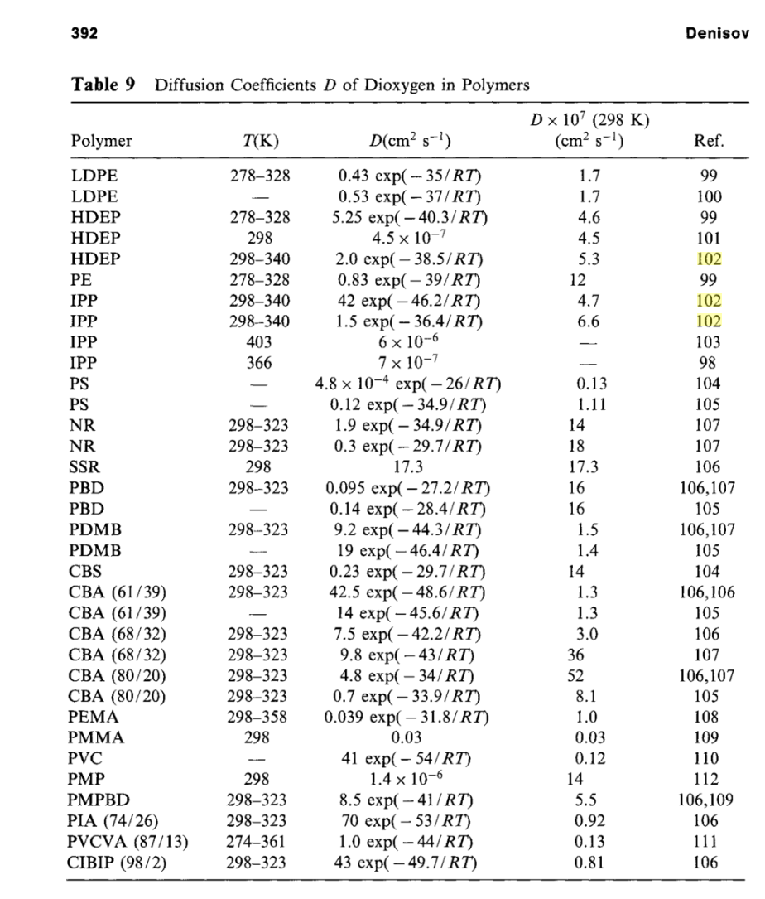
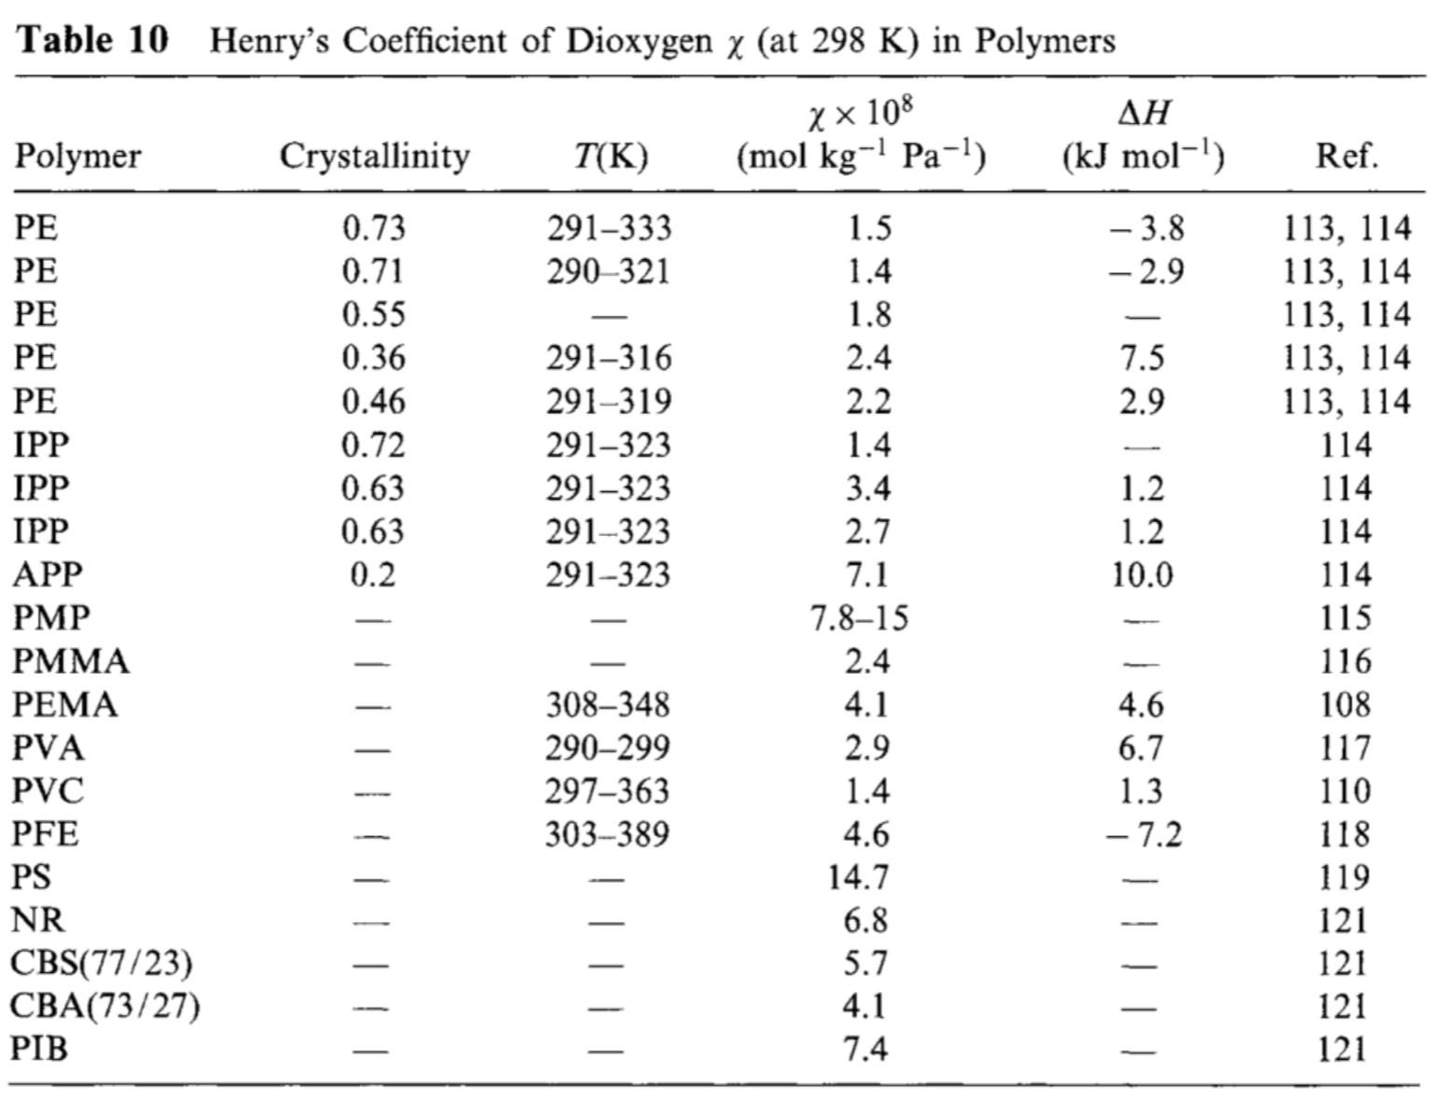
 |  | Do | Ea | D (cm^2/s) | Dx10^7 (cm^2/s)
 | LDPE | 0.53 | -37 | 1.7319391832E-07 | 1.7
 | HDPE | 5.25 | -40.3 | 4.5285366972E-07 | 4.5
 | PE | 8.3 | -39 | 1.2099130062E-06 | 12.1
 | IPP | 1.5 | -36.4 | 6.2448533159E-07 | 6.2
 | PS | 4.80E-04 | -26 | 1.3295110135E-08 | 0.13
 | NR | 1.9 | -34.9 | 1.4491726201E-06 | 14.5
 | PBD | 0.095 | -27.2 | 1.6211599945E-06 | 16.2
 | PDMB | 19 | -46.4 | 1.3972721647E-07 | 1.4
 | CBS | 0.23 | -29.7 | 1.4308832992E-06 | 14.3
 | PEMA | 0.039 | -31.8 | 1.0395161352E-07 | 1.0
 | PVC | 41 | -54 | 1.403151437E-08 | 0.14
 | PMPBD | 8.5 | -41 | 5.5273156083E-07 | 5.5
 | PIA (74/26) | 70 | -53 | 3.5868159001E-08 | 0.4

 | PE | 1.5 | -3.8 | 1.5e-08
 | IPP | 3.4 | 1.2 | 3.4e-08
 | APP | 7.1 | 10 | 7.1e-08
 | PVC | 1.4 | 1.3 | 1.4e-08

Handbook of Polymer Degradation
Por S. Halim Hamid

Michaels
 | Alathon 14 |  | Alathon 34 |  | Grex Olefin Polymer
0.003192 | 9.83E-07 | 0.003168 | 6.03E-07 | 0.003156 | 3.72E-07
0.003204 | 9.47E-07 | 0.00318 | 5.83E-07 | 0.003168 | 3.58E-07
0.003216 | 9.04E-07 | 0.003192 | 5.56E-07 | 0.00318 | 3.33E-07
0.003228 | 8.57E-07 | 0.003204 | 5.15E-07 | 0.003192 | 3.11E-07
0.00324 | 8.16E-07 | 0.003216 | 4.94E-07 | 0.003204 | 3.01E-07
0.003252 | 7.67E-07 | 0.003228 | 4.79E-07 | 0.003216 | 2.86E-07
0.003264 | 7.08E-07 | 0.00324 | 4.47E-07 | 0.003228 | 2.70E-07
0.003276 | 6.83E-07 | 0.003252 | 4.25E-07 | 0.00324 | 2.56E-07
0.003288 | 6.38E-07 | 0.003264 | 4.00E-07 | 0.003252 | 2.42E-07
0.0033 | 6.10E-07 | 0.003276 | 3.87E-07 | 0.0032639311358 | 2.31E-07
0.003312 | 5.57E-07 | 0.003288 | 3.72E-07 | 0.0032759540905 | 2.19E-07
0.003324 | 5.20E-07 | 0.0033000459095 | 3.47E-07 | 0.0032879724543 | 2.08E-07
0.003336 | 5.05E-07 | 0.003312 | 3.27E-07 | 0.0033000183638 | 1.97E-07
0.003348 | 4.76E-07 | 0.0033239770453 | 3.10E-07 | 0.0033120137728 | 1.87E-07
0.00336 | 4.55E-07 | 0.003336 | 2.95E-07 | 0.003324 | 1.77E-07
0.003372 | 4.30E-07 | 0.003348 | 2.80E-07 | 0.003336 | 1.69E-07
0.003384 | 4.02E-07 | 0.00336 | 2.66E-07 | 0.003348 | 1.57E-07
0.003396 | 3.86E-07 | 0.003372 | 2.52E-07 | 0.00336 | 1.52E-07
0.003408 | 3.53E-07 | 0.003384 | 2.39E-07 | 0.003372 | 1.44E-07
0.00342 | 3.45E-07 | 0.003396 | 2.28E-07 | 0.003384 | 1.37E-07
0.003432 | 3.13E-07 | 0.003408 | 2.14E-07 | 0.003396 | 1.30E-07
0.003444 | 3.02E-07 | 0.00342 | 2.02E-07 | 0.003408 | 1.22E-07
0.003456 | 2.92E-07 | 0.003432 | 1.94E-07 | 0.00342 | 1.17E-07
0.003468 | 2.80E-07 | 0.003444 | 1.88E-07 | 0.003432 | 1.11E-07
0.00348 | 2.67E-07 | 0.003456 | 1.78E-07 | 0.003444 | 1.05E-07
0.003492 | 2.46E-07 |  |  | 0.003456 | 1.01E-07
0.003528 | 2.04E-07
0.00354 | 1.97E-07
0.003552 | 1.86E-07
0.003564 | 1.76E-07
0.003576 | 1.67E-07
0.0035160774952 | 2.19E-07
0.003503617666 | 2.33E-07
0.0031796621063 | 1.07E-06
0.0031659627215 | 1.13E-06
0.0030999265449 | 1.54E-06
Alathon 14 |  | Alathon 34 |  | Grex Olefin Polymer
 | Y | X | Y | X | Y
0.003192 | 9.83E-07 | 0.003168 | 6.03E-07 | 0.003156 | 3.72E-07
0.003204 | 9.47E-07 | 0.00318 | 5.83E-07 | 0.003168 | 3.58E-07
0.003216 | 9.04E-07 | 0.003192 | 5.56E-07 | 0.00318 | 3.33E-07
0.003228 | 8.57E-07 | 0.003204 | 5.15E-07 | 0.003192 | 3.11E-07
0.00324 | 8.16E-07 | 0.003216 | 4.94E-07 | 0.003204 | 3.01E-07
0.003252 | 7.67E-07 | 0.003228 | 4.79E-07 | 0.003216 | 2.86E-07
0.003264 | 7.08E-07 | 0.00324 | 4.47E-07 | 0.003228 | 2.70E-07
0.003276 | 6.83E-07 | 0.003252 | 4.25E-07 | 0.00324 | 2.56E-07
0.003288 | 6.38E-07 | 0.003264 | 4.00E-07 | 0.003252 | 2.42E-07
0.0033 | 6.10E-07 | 0.003276 | 3.87E-07 | 0.0032639311358 | 2.31E-07
0.003312 | 5.57E-07 | 0.003288 | 3.72E-07 | 0.0032759540905 | 2.19E-07
0.003324 | 5.20E-07 | 0.0033000459095 | 3.47E-07 | 0.0032879724543 | 2.08E-07
0.003336 | 5.05E-07 | 0.003312 | 3.27E-07 | 0.0033000183638 | 1.97E-07
0.003348 | 4.76E-07 | 0.0033239770453 | 3.10E-07 | 0.0033120137728 | 1.87E-07
0.00336 | 4.55E-07 | 0.003336 | 2.95E-07 | 0.003324 | 1.77E-07
0.003372 | 4.30E-07 | 0.003348 | 2.80E-07 | 0.003336 | 1.69E-07
0.003384 | 4.02E-07 | 0.00336 | 2.66E-07 | 0.003348 | 1.57E-07
0.003396 | 3.86E-07 | 0.003372 | 2.52E-07 | 0.00336 | 1.52E-07
0.003408 | 3.53E-07 | 0.003384 | 2.39E-07 | 0.003372 | 1.44E-07 | Sustancia | Ea/R | Ea | Do [cm^2/s]
0.00342 | 3.45E-07 | 0.003396 | 2.28E-07 | 0.003384 | 1.37E-07 | Alathon 14 | -4690 | -38992.66 | 3.1708
0.003432 | 3.13E-07 | 0.003408 | 2.14E-07 | 0.003396 | 1.30E-07 | Alathon 34 | -4321 | -35924.794 | 0.539
0.003444 | 3.02E-07 | 0.00342 | 2.02E-07 | 0.003408 | 1.22E-07 | Grex Olefin Polymer | -4377 | -36390.378 | 0.3702
0.003456 | 2.92E-07 | 0.003432 | 1.94E-07 | 0.00342 | 1.17E-07
0.003468 | 2.80E-07 | 0.003444 | 1.88E-07 | 0.003432 | 1.11E-07
0.00348 | 2.67E-07 | 0.003456 | 1.78E-07 | 0.003444 | 1.05E-07
0.003492 | 2.46E-07 |  |  | 0.003456 | 1.01E-07
0.003528 | 2.04E-07
0.00354 | 1.97E-07
0.003552 | 1.86E-07
0.003564 | 1.76E-07
0.003576 | 1.67E-07
0.0035160774952 | 2.19E-07
0.003503617666 | 2.33E-07
0.0031796621063 | 1.0687522805E-06
0.0031659627215 | 1.1331713762E-06
0.0030999265449 | 1.5448518898E-06

Van Krevelen
